Introduction
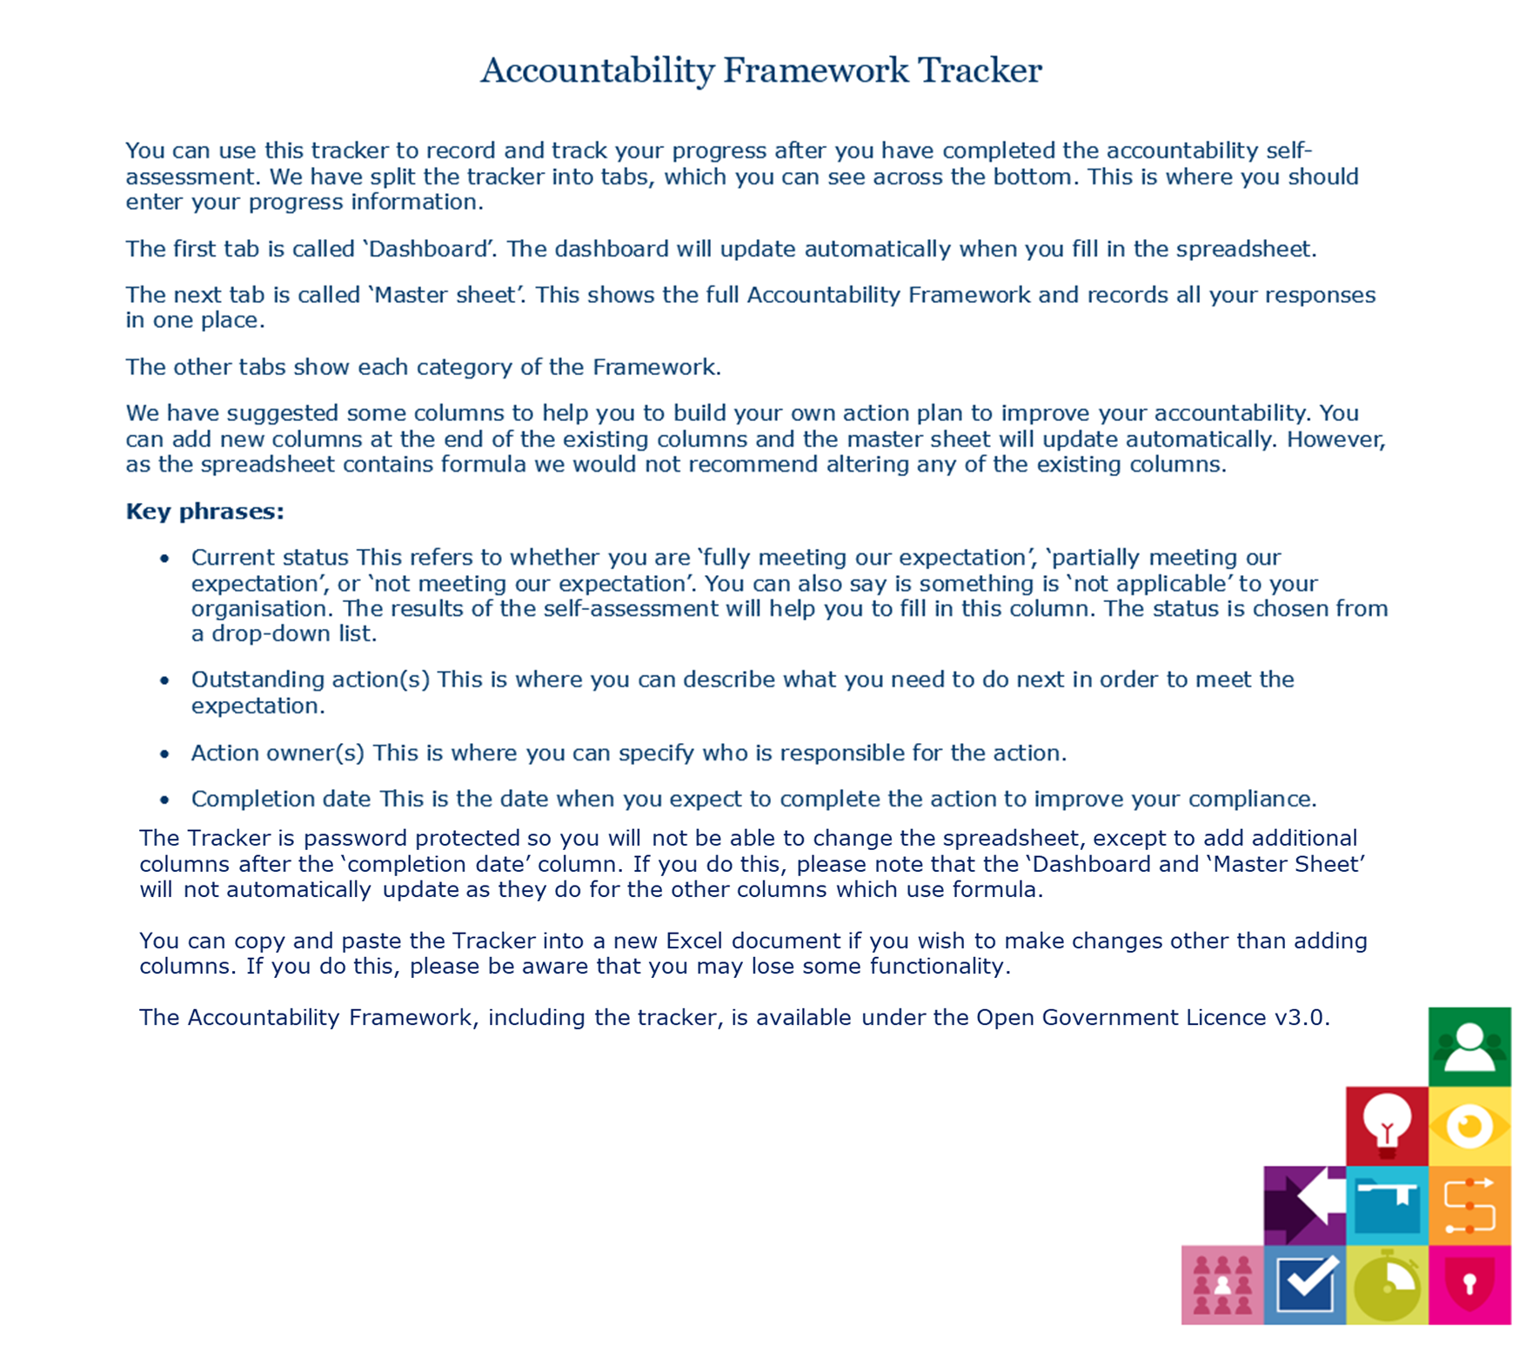

Dashboard
Breakdown of 'Current status' of all categories
Fully meeting our expectation | 0
Partially meeting our expectation | 0
Not meeting our expectation | 0
Not Applicable | 0
Blank | 290
This dashboard shows the 'Current status' for each category as recorded in the Accountability Tracker.

Volume of 'Current Status' per category
 | Fully meeting our expectation | Partially meeting our expectation | Not meeting our expectation | Not Applicable | Blank
1. Leadership & Oversight | 0 | 0 | 0 | 0 | 33
2. Policies & Procedures | 0 | 0 | 0 | 0 | 17
3. Training & Awareness | 0 | 0 | 0 | 0 | 21
4. Individuals' Rights | 0 | 0 | 0 | 0 | 42
5. Transparency | 0 | 0 | 0 | 0 | 31
6. ROPA & Lawful Basis | 0 | 0 | 0 | 0 | 33
7. Contracts & Data Sharing | 0 | 0 | 0 | 0 | 31
8. Risks & DPIAs | 0 | 0 | 0 | 0 | 29
9. Records Management & Security | 0 | 0 | 0 | 0 | 15
10. Breach Response & Monitoring | 0 | 0 | 0 | 0 | 38
Breakdown of 'Current Status ' per category
 | Fully meeting our expectation | Partially meeting our expectation | Not meeting our expectation | Not Applicable | Blank
1. Leadership & Oversight | 0 | 0 | 0 | 0 | 33
2. Policies & Procedures | 0 | 0 | 0 | 0 | 17
3. Training & Awareness | 0 | 0 | 0 | 0 | 21
4. Individuals' Rights | 0 | 0 | 0 | 0 | 42
5. Transparency | 0 | 0 | 0 | 0 | 31
6. ROPA & Lawful Basis | 0 | 0 | 0 | 0 | 33
7. Contracts & Data Sharing | 0 | 0 | 0 | 0 | 31
8. Risks & DPIAs | 0 | 0 | 0 | 0 | 29
9. Records Management & Security | 0 | 0 | 0 | 0 | 15
10. Breach Response & Monitoring | 0 | 0 | 0 | 0 | 38

